Wheels
 |  |  | S = Standard Equipment A = Available -- (dashes) = Not Available D = ADI Available ■ = Included in Equipment Group □ = Included in Equipment Group but upgradeable * = Indicates availability of feature on multiple models.
 |  |  | 1: Available on all models. 2: Available on Crew Cab C*20*43 and Double Cab C*20*53 models. 3: Available on all models. 2WD models are not available to order. 4: Available on Crew Cab CK20743 5: Available on Crew Cab C*20*43 models. 2WD models are not available to order. 6: Available on 4WD Crew Cab CK20*43 models.
Orderable RPO Code | Ref. Only RPO Code | Wheels | Description | Work Truck 1WT1 | Custom 1CX2 | LT 1LT3 | ZR2 3LT4 | LTZ 1LZ5 | High Country 3LZ6
PYT |  | 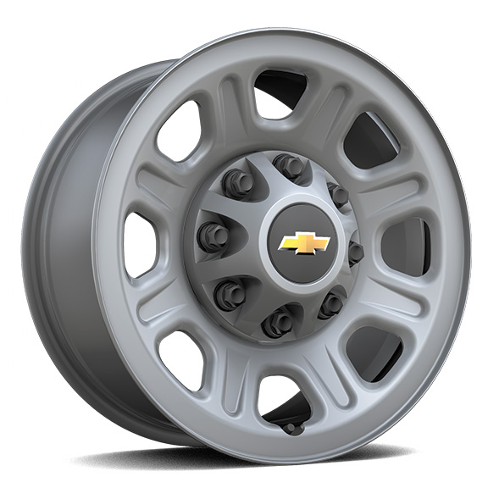 | Wheels, 18" (45.7 cm) painted steel 1. Requires a Fleet or Government Sales order. | A | -- | A1 | -- | -- | --
PYQ |  | 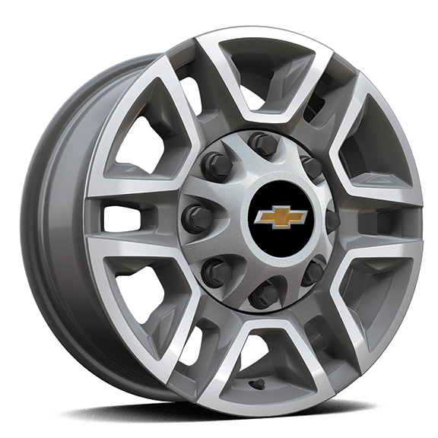 | Wheels, 17" (43.2 cm) machined aluminum | A | -- | □ | -- | -- | --
 | S8B | 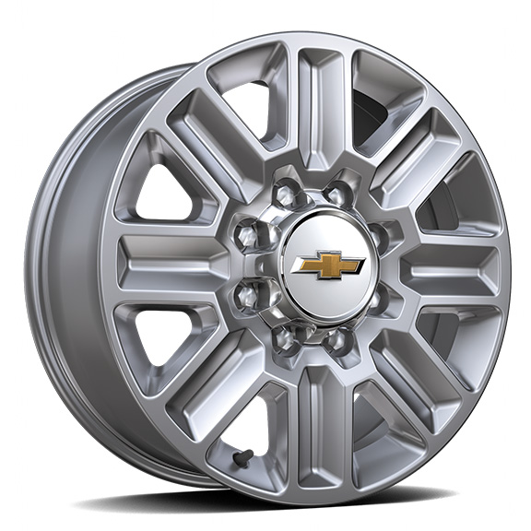 | Wheels, 20" (50.8 cm) Polished, 8-spoke | -- | -- | -- | -- | -- | □
PYV |  | 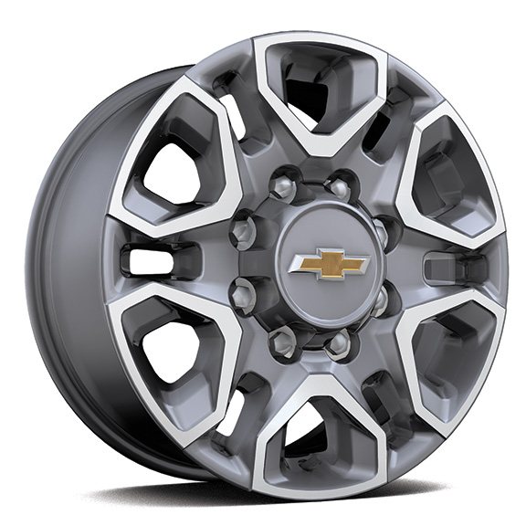 | Wheels, 18" (45.7 cm) machined aluminum with Silver painted accents, 6-spoke 1. Included with (PDZ) Z71 Off-Road and Protection Package. | -- | -- | A1 | -- | □ | --
PYN |  | 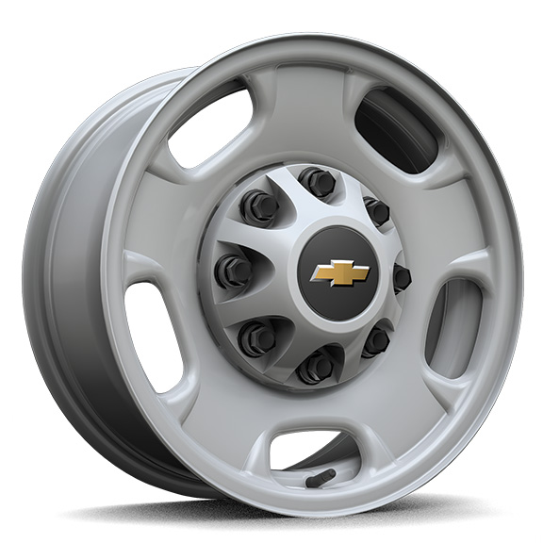 | Wheels, 17" (43.2 cm) painted steel, Silver 1. Not currently available to order. 2. Requires a Fleet or Government Sales order. Not currently available to order. | □1 | -- | A2 | -- | -- | --
 | PTW | 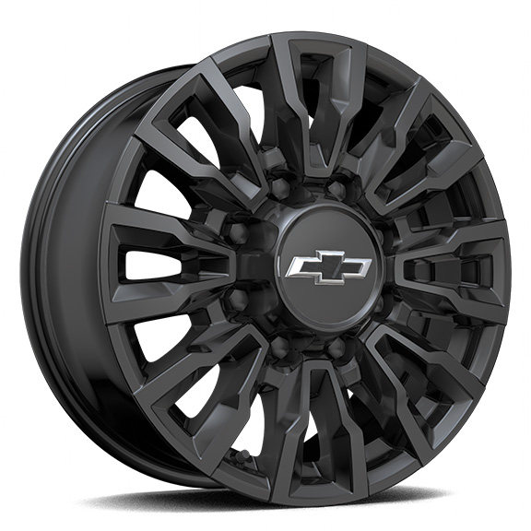 | Wheels , 18" (45.7 cm) High Gloss Black aluminum 1. Included and only available with (ANQ) Alaskan Snow Plow Special Edition. | A1 | -- | -- | -- | -- | --
Q86 |  | 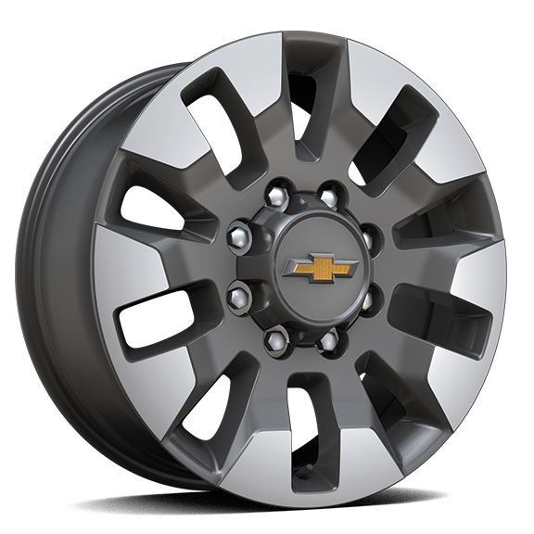 | Wheels, 20" (50.8 cm) machined aluminum with Grazen Metallic painted accents, 10-spoke 1. Requires Crew Cab model and (QF9) LT275/65R20 all-terrain, blackwall tires. Included with (PCQ) Duramax and Appearance Package. Available as an upgrade when (PDU) True North Edition or (PDZ) Z71 Off-Road and Protection Package is ordered. Not available with (ZW9) pickup bed delete. | -- | ■ | A1 | -- | -- | --
SKX |  | 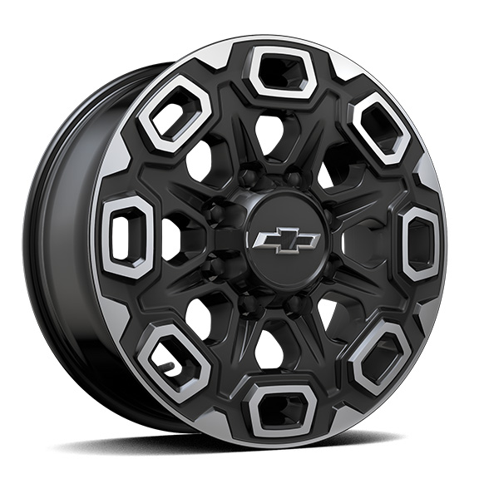 | LPO, 20" (50.8 cm) Aluminum high gloss Black with machined finish wheels, LPO wheels will come with 4 aluminum 20" transit wheels from the factory with alignment specs set to 20" LPO wheel selected (dealer-installed) | -- | -- | A | -- | A | A
SHH |  | 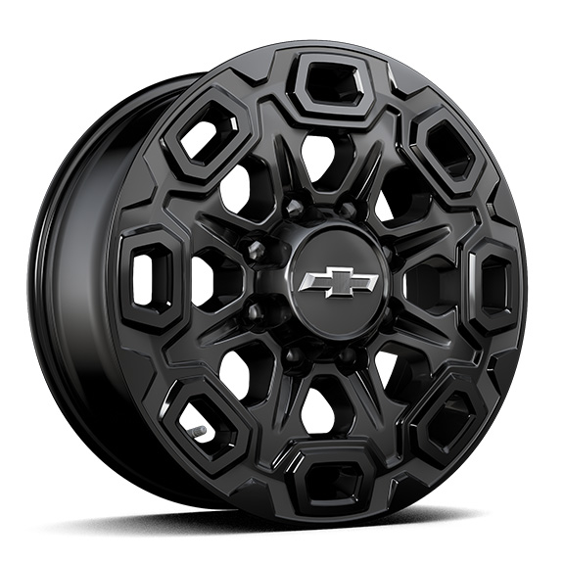 | LPO, 20" (50.8 cm) high gloss Black aluminum wheels, LPO wheels will come with 4 aluminum 20" transit wheels from the factory with alignment specs set to 20" LPO wheel selected (dealer-installed) | -- | -- | A | -- | A | A
SQ9 |  | 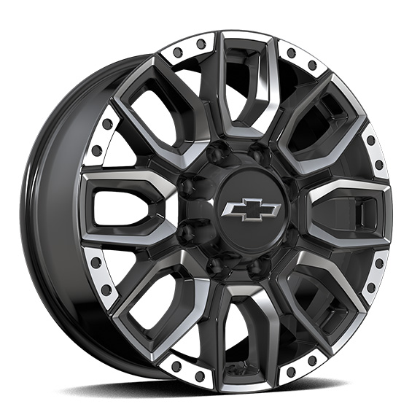 | LPO, 20" (50.8 cm) Machined Aluminum Bolt Pattern with High Gloss Black Accents wheels, LPO wheels will come with 4 aluminum 20" Transit Wheels from the factory with alignment specs set to 20" LPO wheel selected (dealer-installed) | -- | -- | A | -- | A | A
 | RB9 | 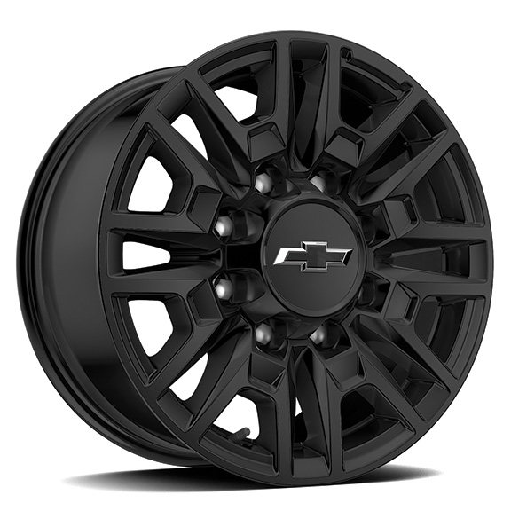 | Wheels, 18" (45.7 cm) Gloss Black with Etched ZR2 logo | -- | -- | -- | S | -- | --
SBL |  | 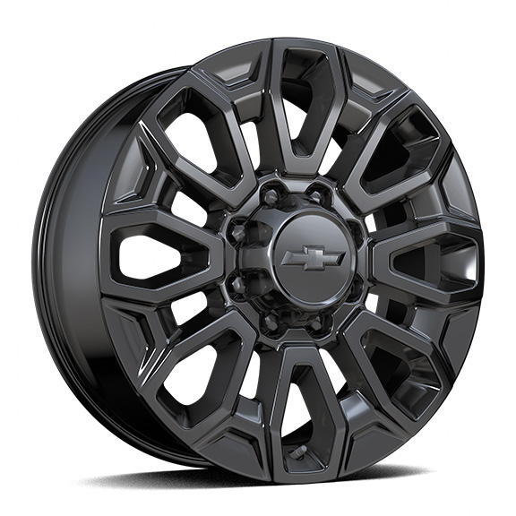 | LPO, 22" (55.9 cm) Gloss Black aluminum wheels, LPO wheels will come with 4 steel 22" transit wheels from the factory with alignment specs set to 22" LPO wheel selected (dealer-installed) | -- | -- | A | -- | A | A
 | RF9 | 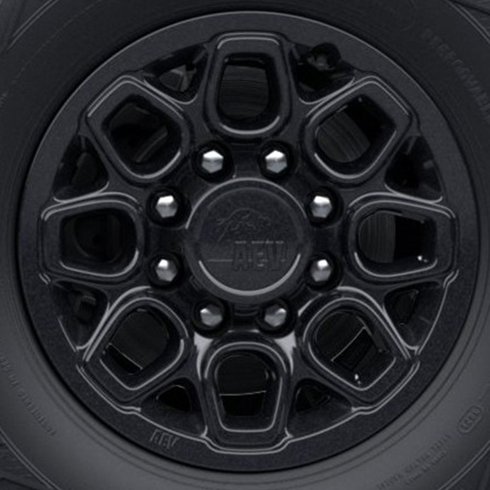 | Wheels, 18" x 9" (45.7 cm x 22.9 cm) Carbon Flash Metallic with AEV logo 1. Included and only available with (ULV) ZR2 Bison Edition. | -- | -- | -- | A1 | -- | --
5K9 |  | 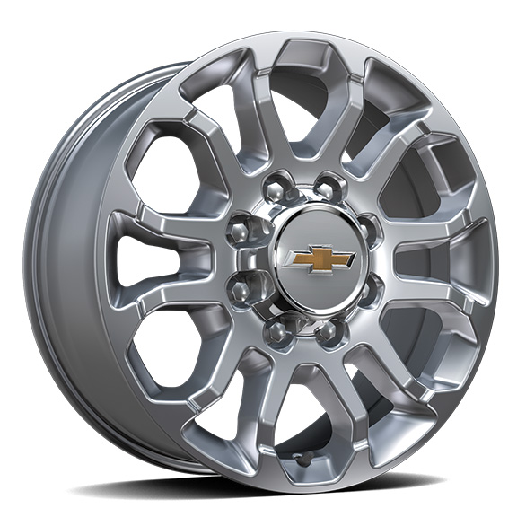 | Wheels, 20" (50.8 cm) Polished, 12-spoke 1. Included and only available with (WBL) Z71 Chrome Sport Edition. 2. Requires (QF9) LT275/65R20 all-terrain, blackwall tires. Included with (WBL) Z71 Chrome Sport Edition. | -- | -- | A1 | -- | A2 | --
SRI |  | 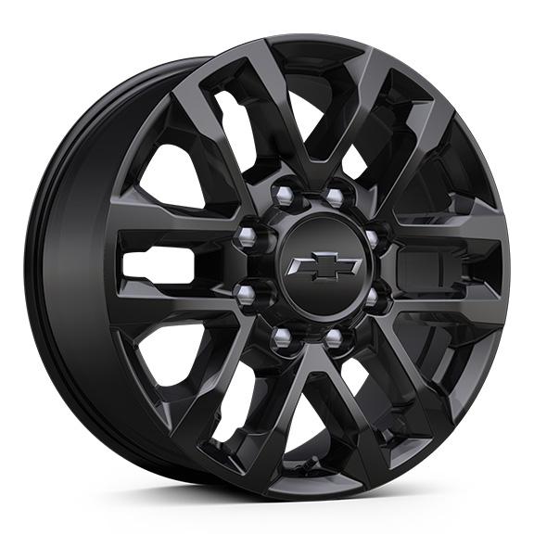 | Wheels, 20" (50.8 cm) High gloss Black painted wheel with Black centre caps 1. Included and only available with (CWK) Custom Blackout Package. 2. Included with (WPK) Trail Boss Package and (ANQ) Alaskan Snow Plow Special Edition. 3. Included with (WPK) Trail Boss Package. 4. Included and only available with (WJP) Midnight Edition. | -- | A1 | A2 | -- | A3 | A4
SAY |  | 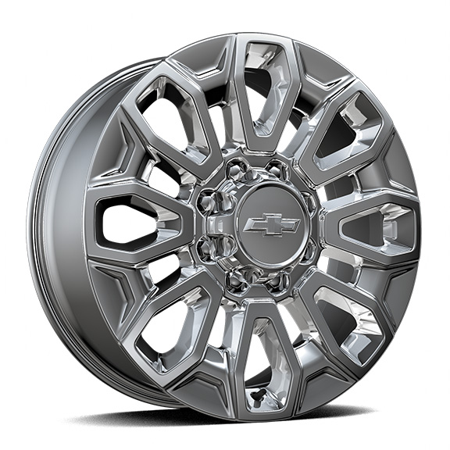 | LPO, 22" (55.9 cm) Bright finish aluminum wheels, LPO wheels will come with 4 steel 22" transit wheels from the factory with alignment specs set to 22" LPO wheel selected (dealer-installed) | -- | -- | A | -- | A | A

